BQ (5 units)
No. | Work Description |  | Specification | Uom | Qty. | Unit price | Total

II | GENSET

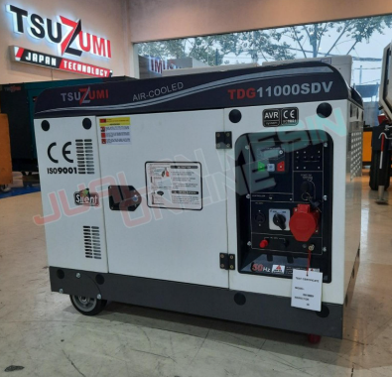
 | 2.1 | Mobile Diesel Generator 6 - 8 kVA (Hartec,Honda,Tsuzumi/equalen) |  | unit | 5.00
 |  | Generator Type | Portable / Mobile
 |  | Output Voltage | 220V Single Phase & 380V Three Phase (Dual Output)
 |  | Frequency | 50 Hz
 |  | Capacity | 6 - 8 KVA
 |  | Rated Power | 5 - 6.5 KW
 |  | Socket Output | Compatible for 1P & 3P Connection
 |  | Fuel Type | Fuel Type: Diesel preferred; gasoline acceptable.
 |  | Fuel Tank | Built-in
 |  | Fuel Consumption | Vendor to provide specification
 |  | Wheel Kit | Included
 |  | Handle Bar | Included
 |  | Weight | Portable and suitable for inter-hub mobilization < 100kg
 |  | Forklift Point | Preferred
 |  | Warranty | Preferred, vendor to specify warranty period

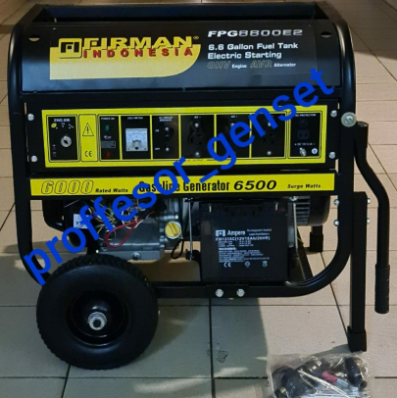
 | 2.2 | Mobile Diesel Generator 6 - 8 kVA (Hartec,Honda,Tsuzumi/equalen) |  | unit | 5.00
 |  | Generator Type | Portable / Mobile
 |  | Output Voltage | 220V Single Phase & 380V Three Phase (Dual Output)
 |  | Frequency | 50 Hz
 |  | Capacity | 6 - 8 KVA
 |  | Rated Power | 5 - 6.5 KW
 |  | Socket Output | Compatible for 1P & 3P Connection
 |  | Fuel Type | Fuel Type: Diesel preferred; gasoline acceptable.
 |  | Fuel Tank | Built-in
 |  | Fuel Consumption | Vendor to provide specification
 |  | Wheel Kit | Included
 |  | Handle Bar | Included
 |  | Weight | Portable and suitable for inter-hub mobilization < 100kg
 |  | Forklift Point | Preferred
 |  | Warranty | Preferred, vendor to specify warranty period

III | ACCESSORIES
 | 3.9 | OTHERS
 |  | Fuel Can, Steel, for Gasoline & Diesel | Krisbow 20 L | unit | 5.00

